Dashboard
Bike Purchase by age brackets
 | Purchased Bike | Purchased Bike
25-31 | 49 | 89
32-54 | 385 | 308
55-89 | 61 | 134
Purchase Decision Based On Commute Distance
 | Purchased Bike
0-1 Miles | 207
1-2 Miles | 83
2-5 Miles | 95
5-10 Miles | 77
above 10 Miles | 33

Average Balance of Purchased Bike or Not By Gender
 | Purchased Bike | Purchased Bike
F | 55267.489712 | 53449.612403
M | 59603.174603 | 56520.14652
Number of Persons Purchase Bike or Not By Gender
 | Purchased Bike | Purchased Bike
F | 243 | 258
M | 252 | 273
Percent age of Bike sales By Region
 | Purchased Bike
Europe | 156
North America | 220
Pacific | 119

Subjective Questions
1 | How does the sales performance vary across different regions or locations?

 | 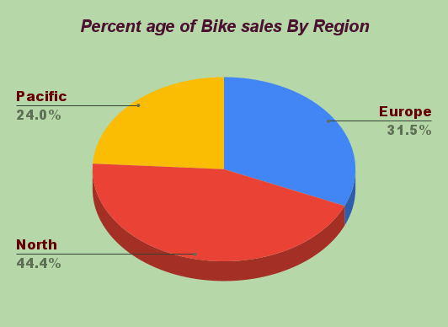

 | Bike sales were mostly done in the North region with 44.4% of total sales and the Pacific Region records the lowest sales with a record of 24.0%.

2 | What is the average age of customers who purchased bikes or did not purchased bikes?

 |  | Purchased Bike | AVERAGE of Age
 |  | Yes | 42.842424242
 |  | No | 45.346516008

 | The average age of the Customers Who had Purchased the Bike was 42.84 Which is Less than the Average age of Customers Who did not Purchased the Bike was 45.35.

3 | Are there any correlations between customer demographics (such as age or gender) and the type of bike purchased?

 |  | AVERAGE of Age | Purchased Bike
 |  | Gender | Yes | No
 |  | M | 42.972222222 | 45.241758242
 |  | F | 42.70781893 | 45.457364341

 | Yes We can observe a Correlation between gender and age that was both Genders have almost the same average age in those who are purchased and those who are not Purchased.

4 | How does commute distance vary between different regions?

 |  | COUNTA of Commute Distance | Region
 |  | Commute Distance | Europe | North America | Pacific
 |  | 0-1 Miles | 198 | 126 | 54
 |  | 1-2 Miles | 42 | 108 | 26
 |  | 2-5 Miles | 40 | 103 | 19
 |  | 5-10 Miles | 18 | 109 | 70
 |  | above 10 Miles | 18 | 62 | 33
 |  | Grand Total | 316 | 508 | 202

 | Most Of the persons Belong to North America only travel the distance and the Pacific region has the lowest commute distance travelled by persons

5 | Is there any correlation between the Age and Income of individuals?

 |  | Age Bracket | AVERAGE of Income
 |  | 25-31 | 35289.855072
 |  | 32-54 | 59408.369408
 |  | 55-89 | 59641.025641
 |  | Grand Total | 56208.576998

 | Yes There was a Correlation Those who have the less age have the less income those who have the more age have more income and the correlation was posistive increases the income with increase in age

